DB-structure
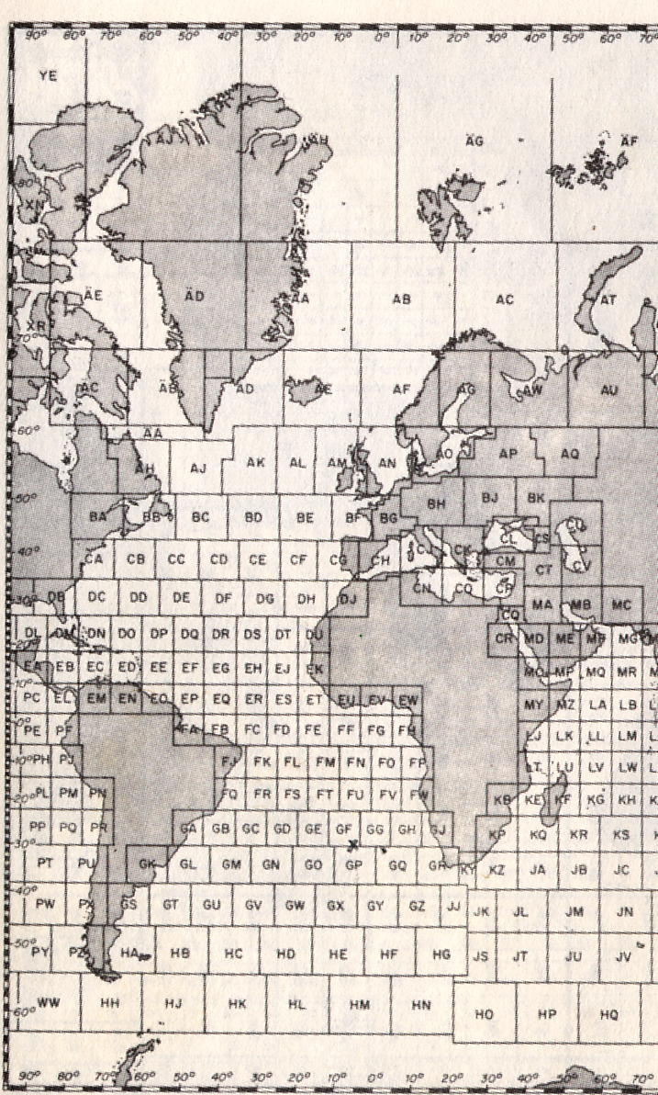
LFD | laufende Nummer | current number | sorting all records for date plus time | Sortierfeld
DATE | Datum
TIME | Uhrzeit
QUAD | Quadrat | naval grid | compare German Naval Grid Chart

NO | Anzahl der Angreifer | amount of airplanes
AIRCRAFT | Flugzeug (Typ / Kennung)
UNIT | Geschwader | unit
UNIT-SORT | Land, Einheit | country, squadron | (BR; BRZ; FRA; USA, USC; USN; USS) | Sortierfeld
ACTION | siehe "translations" | see translations

U BOAT | U plus Nummer | "U" plus number
U-SORT | nur Nummer | number only |  | Sortierfeld

REMARKS | Anmerkungen englisch | information about weapons, losses of lifes, etc.

